1. Title Page
Project Name: Instacart Grocery Basket Analysis
Date: 4/25/2023
Analyst Name: Romina Chu

Contents:
Population Flow
Consistency checks
Wrangling steps
Column derivations
Visualizations
Recommendations

Data Citation:
"The Instacart Online Grocery Shopping Dataset 2017”, was accessed from https://www.instacart.com/datasets/grocery-shopping-2017 on 2/13/2023.
The customer data set, as well as the “prices” column in the products data set, were both fabricated by CareerFoundry for the purpose of this course.

2. Population Flow
Title page

Population flow

Exclusion flag
Condition: max_order < 5
Obervations to be removed: 1,440,295
Final total count of order_products_all: 30,964,564 rows

Orders_products_combined
Orders_products_merged
Orders_products_all

Total: 32,404,859 rows
Total: 32,434,489 rows
Total: 32,404,859 rows

1.) The grey boxes in the first row of the population flow represent the original data sets as they were when you downloaded them. In the Total fields you need to add the count of the rows when you imported the data set into Jupyter.
2.) The second row of boxes (coloured) represents the data sets after you manipulated them, e.g., removed missing values and duplicates. In the Total fields you need to add the count of the rows after conducting these operations. This offers a visual oveview of how the data flows throughout the data consistency checks.
3.) The third row, where also the arrows are coloured, represents the merges you performed between the datasets. In the Total fields you need to add the count of the rows in the merged datasets, so that you end up with the final dataset (in the red box). Keep in mind the final dataset should be without exclusions (based on the exclusion flag).

3. Consistency checks
 |  |  |  | Title page
Consistency checks

Dataset | Missing values | Missing values treatment | Duplicates
orders | missing values in days_since_prior_order column | choose not to make any changes to these missing values because it makes no sense to remove these data or replace with other numbers. | None
products | 16 missing values in product_name column | missing values were removed | 5 duplicates were found, all were removed
orders_products_prior | None | None | None
customers | 11259 missing values in first_name column | choose not to make any changes to these missing values because it makes no sense to remove these data or replace with anything else | None

4. Wrangling steps
 |  |  |  | Title page
Wrangling steps

Columns dropped | Columns renamed | Columns' type changed | Comment/Reason
eval_set |  |  | irrelevent data
 | order_dow |  | rename it to orders_day_of_week
 |  | order_id | change the data type to str
 |  | user_id | change the data type to str
 | days_since_prior_order |  | rename it to days_since_previous_order
 | STATE |  | rename it to state
 | First Name |  | rename it to first_name
 | Surname |  | rename it to surname
 | Age |  | rename it to age
 | n_dependants |  | rename it to number_dependants
 | fam_status |  | rename it to marital_status
 | Gender |  | rename it to gender

5. Column derivations
 |  |  |  | Title page

Column derivations and aggregations

In this tab you should add tables below that the frequences of flags/label variables that you produced after deriving them. NB: don't do this for continuous variables, only for flags.
Dataset | New column | Column/s it was derived from | Conditions
ords_prods_merged | price_range_loc | prices | >15, <=15 & >5, <=5
ords_prods_merged | busiest_day | orders_day_of_week | 0 = Busiest day, 4 = Least busy day, else: regular day
ords_prods_merged | busiest_days | orders_day_of_week | 0 or 1 = Busiest day, 4 or 3 = slowest busy day, else: regular day
ords_prods_merged | busiest_period_of_day | order_hour_of_day | most orders: 10, 11, 14, 15, 13, 12, 16, 9 fewest orders: 3, 4, 2, 5, 1, 0, 6, 23 else: Average orders
ords_prods_merged | loyalty_flag | max_order | >40, <=40 & >10, <=10
ords_prods_merged | spending_flag | avg_price | >=10, <10
ords_prods_merged | order_frequency_flag | median_freq | >20, <=20 & >10, <=10
ords_prods_custm | activity_flag | max_order | >=5, <5
ords_prods_custm | age_category | age | <= 25, > 25 & < 60, >= 60
ords_prods_custm | income_flag | income | <40000, >=40000 & <= 100000, >100000
ords_prods_custm | dependants_category | number_dependants | 0, 1 or 2, >=3

6. Visualizations
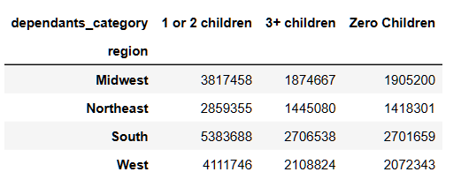
 | Title page

Visualisations

In this tab you should include all the visualtions from Exercises 4.9 and 4.10, alongside the questions from the project brief that they answer. Include any commentary on the relationship between different variables.

1. The sales team needs to know what the busiest days of the week and hours of the day are (i.e., the days and times with the most orders) in order to schedule ads at times when there are fewer orders.
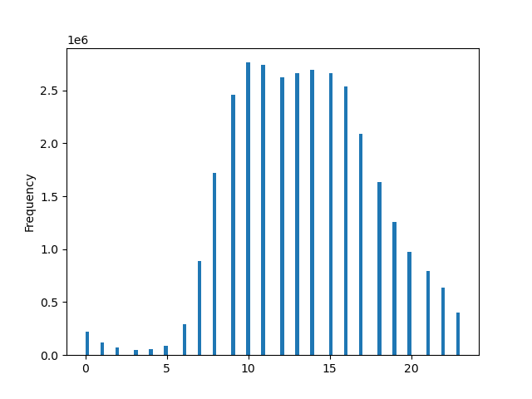
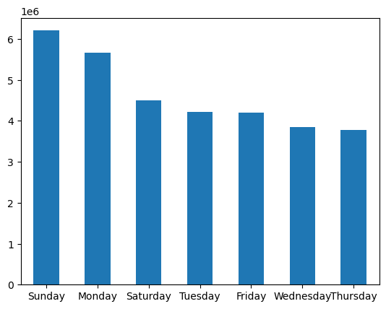
 | Sunday, Monday and Saturday are the busiest days of the week. Wednesday and Thursday are the slowest days of the week | 9AM to 18PM are the busy hours of the day, while 10AM is the businest hour of the day. Top 5 busiest hour of day will be 10am, 11am, 14pm, 15pm, and 13pm. Slowest hours are 12am to 5am.

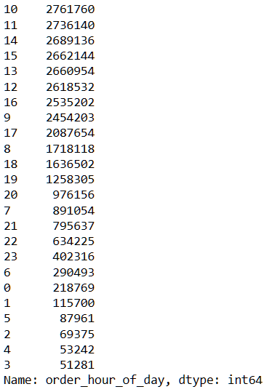

2. They also want to know whether there are particular times of the day when people spend the most money, as this might inform the type of products they advertise at these times.
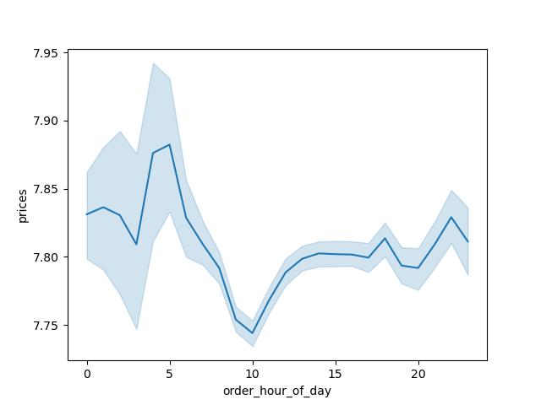

 | Customers purchase the most expensive item at 2-7am

3. Instacart has a lot of products with different price tags. Marketing and sales want to use simpler price range groupings to help direct their efforts.
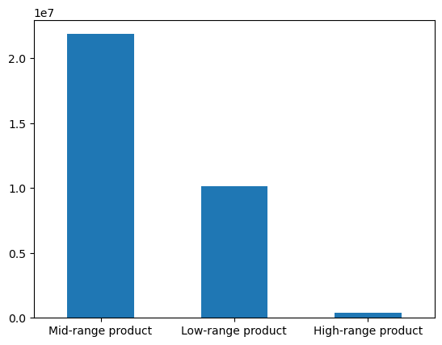

 | The majority of products that customer purchases are mid-range price products (price <=15 & >5)

4. Are there certain types of products that are more popular than others? The marketing and sales teams want to know which departments have the highest frequency of product orders.
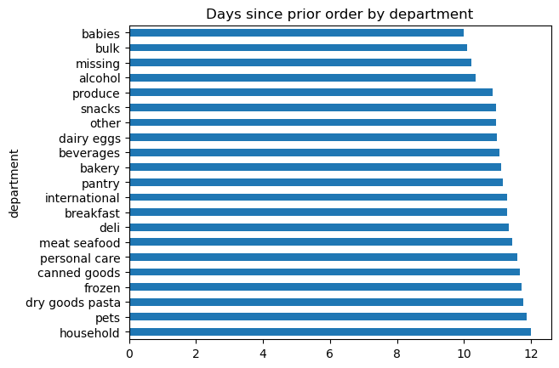

 | babies, bulk, alcohol are the top 3 departments that customers frequently order.

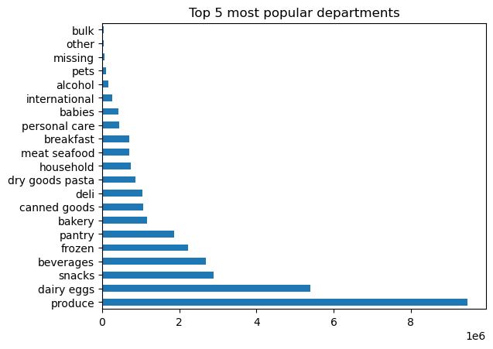
 | Produce, dairy eggs, snacks, beverages, frozen are the top 5 most popular departments accordingly across all region and ages.

5. The marketing and sales teams are particularly interested in the different types of customers in their system and how their ordering behaviors differ. For example: ● What’s the distribution among users in regards to their brand loyalty (i.e., how often do they return to Instacart)? ● Are there differences in ordering habits based on a customer’s loyalty status? ● Are there differences in ordering habits based on a customer’s region? ● Is there a connection between age and family status in terms of ordering habits? ● What different classifications does the demographic information suggest? Age? Income? Certain types of goods? Family status? ● What differences can you find in ordering habits of different customer profiles? Consider the price of orders, the frequency of orders, the products customers are ordering, and anything else you can think of.
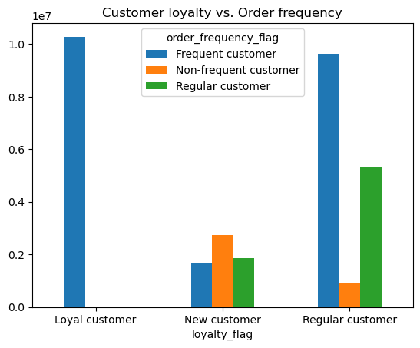
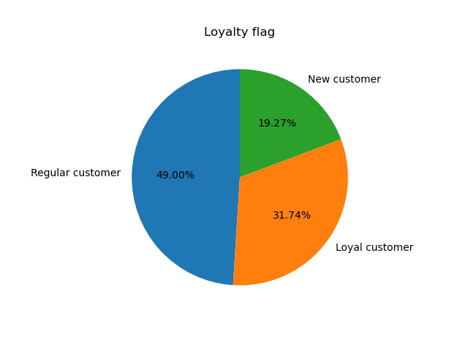
 | 1. All loyal customers make order very frequesntly. They are all calssfied as frequent customer. 2. Most of regular cusomers are frequent customers. 3. New customers tend to not make orders frequently | Majority of instacart's customer are regular customer which are nearly half of the customer base followed by loyal customers.

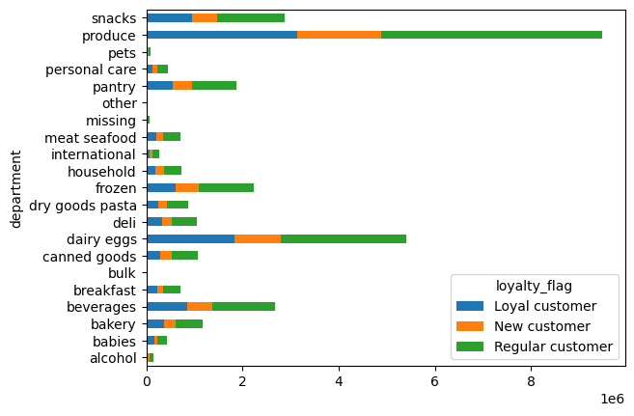

 | Ordering habits do not vary across different loyalty groups in department preferences. Top 5 most popular department across all 3 loyalty groups are still produce, dairy eggs, snacks, beverages and frozen.

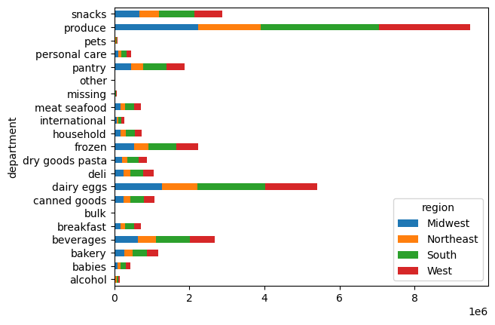
 | Ordering habits do not vary across different regions in department preferences. Top 5 most popular department across all regions are still produce, dairy eggs, snacks, beverages and frozen.

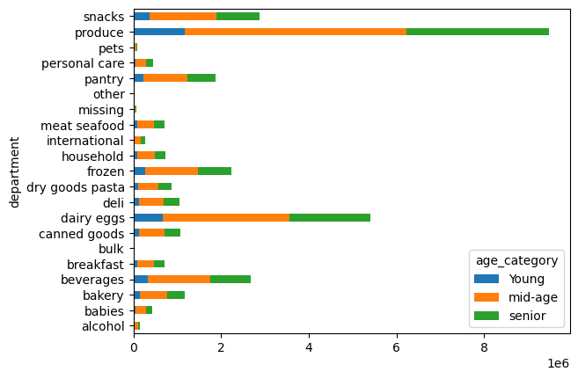
 | Ordering habits do not vary across different age caterory in department preferences. Top 5 most popular department across all age category are still produce, dairy eggs, snacks, beverages and frozen.

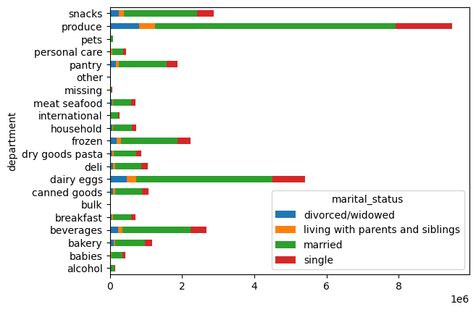
 | Ordering habits do not vary across different marital status in department preferences. Top 5 most popular department across all marital status are still produce, dairy eggs, snacks, beverages and frozen.

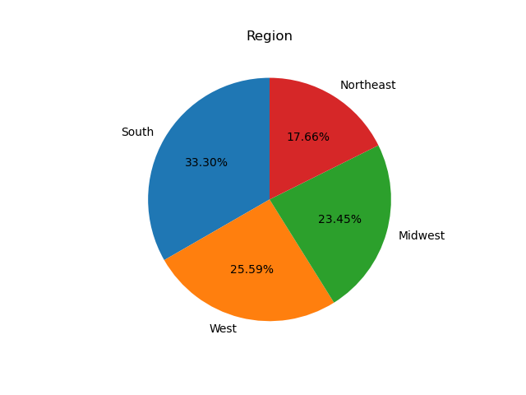

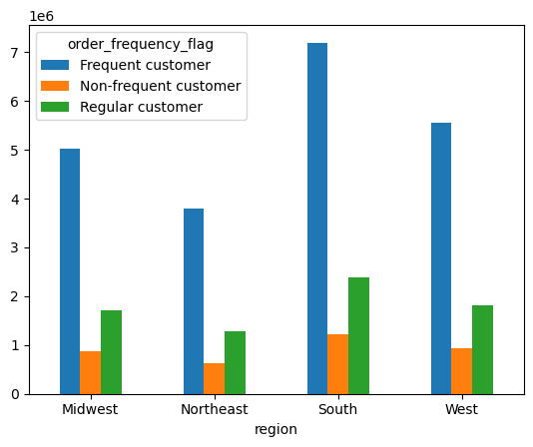

 | Majority of instacart's customers reside in South and West region. Total customers from South and West combining together hold more than 50% of its customer base. | Frequent customers are the major customers in each region.

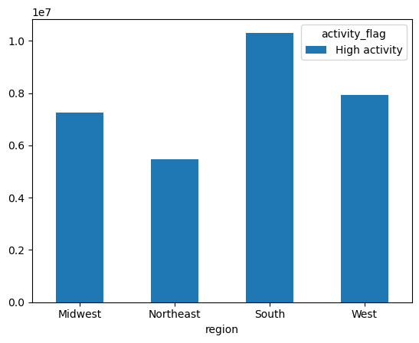
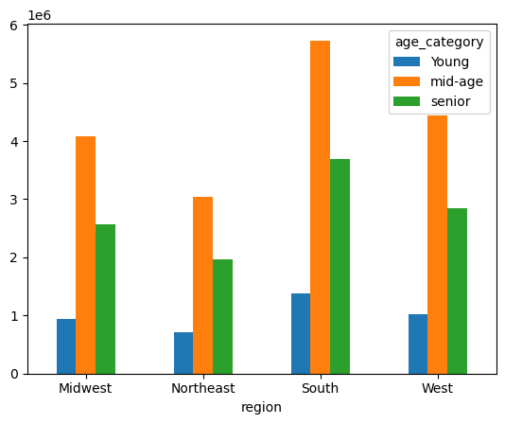
 | South region contains the most high activity customers, followed by the west region | Mid age generation are the major population of instacart's customers in each region

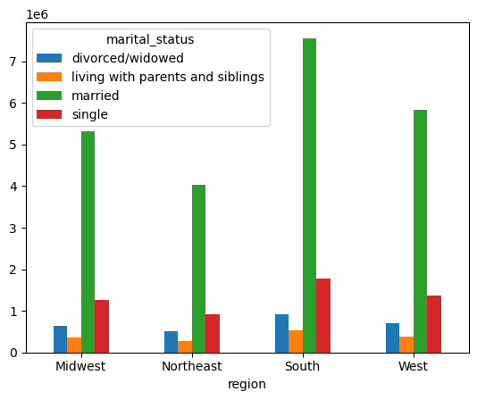
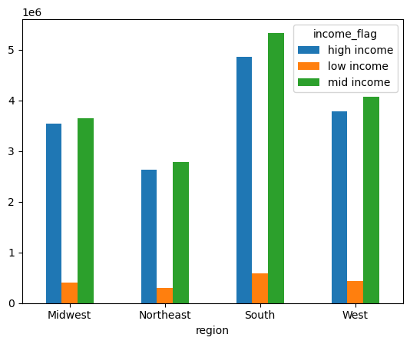

 | Marital status of married customers are the major population of instacart's customers in each region | Mid income customers are the major customers in each region

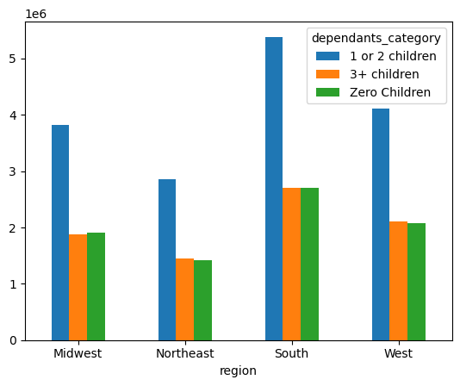
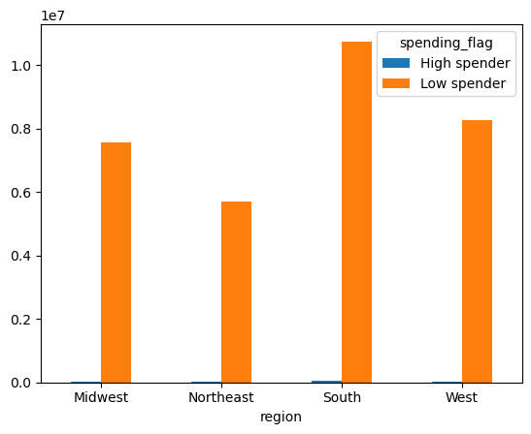
 | Families with 1 or 2 children are the major customers in each region. In midwest, the second major customers are the families with no children which is a little bit different from other regions where the second major customers are the families with 3+ children. | low spender customers are the major customers in all regions.

7. Recommendations
 |  | Title page

Recommendations

In this tab you should include any recommendations you would made to Instcart in terms of their marketing strategy based on the questions posed in the brief. Every key question has been covered in the Tasks of the Exercises - here you need to add an item - a visualisation or table/crosstable that is showing the answer in the data, acompanied by a comment from you. Please, list the questions below and add the answer underneath.

Question | Answer
Key Question 1 : The sales team needs to know what the busiest days of the week and hours of the day are (i.e., the days and times with the most orders) in order to schedule ads at times when there are fewer orders. | Sunday, Monday and Saturday are the busiest days of the week. Wednesday and Thursday are the slowest days of the week. We migh want to consider creating more effective ads on Wednesday and Thursday in order to attract more orders. 9AM to 18PM are the busy hours of the day, while 10am is the businest hour of the day. Top 5 busiest hour of day will be 10am, 11am, 14pm, 15pm, and 13pm. The slowest hours are 12am to 5am.

Key Question 2 : They also want to know whether there are particular times of the day when people spend the most money, as this might inform the type of products they advertise at these times. | Customers purchase the most expensive item at 2am to 7am, however 2am to 7am appear to be the slower hours of the day. I would suggest we can leave the current marketing plan as now. There is no need to spend more on advertising for this time period

Key Question 3 : Instacart has a lot of products with different price tags. Marketing and sales want to use simpler price range groupings to help direct their efforts. | We categorize the prices into 3 ranges. Low range product : price<=5, mid range product : price>5 and price <=15, high range product : price>15. The majority of products that customer purchases are mid-range price products. We can consider putting more effort on low and high range products.

Key Question 4 : Are there certain types of products that are more popular than others? The marketing and sales teams want to know which departments have the highest frequency of product orders. | Babies, bulk, alcohol are the top 3 departments that customers frequently order. Moreover, produce, dairy eggs, snacks, beverages, frozen are the top 5 most popular departments across all region and ages. The marketing and sales team can pay more attention on these departments.

Key Question 5 : The marketing and sales teams are particularly interested in the different types of customers in their system and how their ordering behaviors differ. For example: ● What’s the distribution among users in regards to their brand loyalty (i.e., how often do they return to Instacart)? ● Are there differences in ordering habits based on a customer’s loyalty status? ● Are there differences in ordering habits based on a customer’s region? ● Is there a connection between age and family status in terms of ordering habits? ● What different classifications does the demographic information suggest? Age? Income? Certain types of goods? Family status? ● What differences can you find in ordering habits of different customer profiles? Consider the price of orders, the frequency of orders, the products customers are ordering, and anything else you can think of. | Ordering habits do not vary across different loyalty groups, age category, regions and marital status in department preferences. However, we do notice that majority of instacart's customer are regular customers which are nearly half of the customer base followed by loyal customers. While not all regular cusomers are frequent customers, we can work on making regular customers to order more frequestly by providing them some special pormotion to keep them ordering from the app. Also, majority of instacart's customers reside in South and West region as well as the high activity customers, we can consider investing more marketing budget in these regions. Families with 1 or 2 children are the major customers in each region. However, in midwest, the second major customers are the families with no children which is a little bit different from other regions where the second major customers are the families with 3+ children. We might consider doing more marketing on personal shopping in midwest region.

